Sheet2
Find Pressure Drop |  |  |  |  |  | Requirements
length | 4 | in | 0.1016 |  |  | mdot ox | 4.8
diameter | 0.6 | in | 0.01524 |  |  | mdot fuel | 3.6
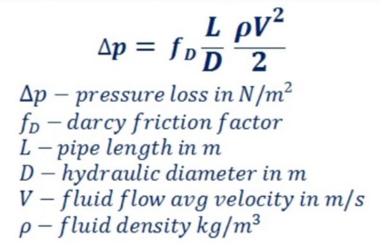
density |  |  | 1000 | kg/m3
mdot |  |  | 4.8 | kg/s
Q |  |  | 0.0048 | m3/s
area |  |  | 0.00018241511904 | m2
avg velocity |  |  | 26.31 | m/s
g |  |  | 9.81 | N/kg

viscosity |  |  | 0.0010518 | Pa-s
Reynolds |  |  | 381269.62473 |  | turbulent
Darcy f |  |  | 0.02 |  | turbulent smooth pipes

dp | 6.6968454462 | psi | 46160.398969 | Pa

Find Max Mass Flow
dp atm |  |  | 101325 | Pa
max v |  |  | 38.985574255 | m/s
max Q |  |  | 0.0071115581686 | m3/s
max mdot |  |  | 7.1115581686 | kg/s

number of inlets |  |  | 1

full mdot |  |  | 7.1115581686 | kg/s

